Dashboard
$500k 2026 Goal
1/1/2001
 | 1/7/2026 | 2024-12-01 | 2025-12-01 | Current | YTD % | YoY % | Cash on Hand | YOU ARE | Weekly | Annual | Less Taxes |  | Based on Last 8 Weeks of Earnings |  |  |  | $500,000.00 | 365 | Covered Tickers: | Current price | Strike | ITM?
 | IRA | $646,625 | $688,045 | $775,404 | 12.7% | 20% | $2,250 |  | $2,500 | $130,000 | $71,500 | Minimum | Run Rate: | $- | annually |  | $12,509.00 | $487,491.00 | ACHR | $6.15 | $9.00
 | RIRA 1 | $58,818 | $233,327 | $247,403 | 6.0% | 321% | $16,075 |  | $5,000 | $260,000 | $143,000 |  | Monthly High: | $16,322 |  |  |  |  | HIMS | $23.84 | $40.00
 | RIRA 2 | $46,228 | $64,910 | $71,379 | 10.0% | 54% | $7,619 |  | $7,500 | $390,000 | $214,500 |  | Weekly High: | $5,212 |  |  | 2.50% | 0.00% | RDDT | $132.25 | $265.00
 | RIRA 3 |  | $14,618 | $20,901 | 43.0% |  | $779 |  | $10,000 | $520,000 | $286,000 | Goal | Weekly Low: | $- |  | For help & |  |  | RDDT | $132.25 | $275.00
 | Taxable | $14,543 | $81,925 | $90,547 | 10.5% | 523% | $3,370 |  | $15,000 | $780,000 | $429,000 |  | Weekly Return: | 0.00% |  | How to use this |  |  | LPTH | $10.97 | $10.00 | LPTH
 | Totals | $821,214 | $1,082,825 | $1,205,634 | 11.3% | 46.8% | $30,093 |  | $20,000 | $1,040,000 | $572,000 | End game | Annualized: | 0.00% |  | Video Link |  |  | CRWV | $79.86 | $95.00
Earnings vs. Month
Holdings with Shares
 |  |  |  |  |  |  |  |  | $50,000 |  |  |  |  |  |  |  |  |  | GME | $24.43 | $25.00
 | Month | Earnings |  |  |  |  |  | Holdings | Price | Shares | Value | % of Port |  |  |  |  |  |  | BULL | $5.29 | $17.50
 | Jan-26 | $16,322 |  |  |  |  |  | Cash | $1.00 | 30,093 | $30,093 | 4.65% |  |  |  |  |  |  | GLXY | $20.63 | $35.00
 | Feb-26 | $6,160 |  |  |  |  |  | RDDT | $132.25 | 300 | $39,675 | 6.14% |  |  |  |  |  |  | OSCR | $13.00 | $20.00
 | Mar-26 |  |  |  |  |  |  | CRWV | $79.86 | 1,800 | $143,748 | 22.23% |  |  |  |  |  |  | NBIS | $108.04 | $90.00 | NBIS
 | Apr-26 |  |  |  |  |  |  | BULL | $5.29 | 12,000 | $63,480 | 9.82% |  |  |  |  |  |  | NBIS | $108.04 | $120.00
 | May-26 |  |  |  |  |  |  | NBIS | $108.04 | 1,000 | $108,040 | 16.71% |  |  |  |  |  |  | ONDS | $10.33 | $10.00 | ONDS
 | Jun-26 | -$9,973 |  |  |  |  |  | RDTL | $14.67 | 1,100 | $16,137 | 2.50% |  |  |  |  |  |  | ONDS | $10.33 | $12.00
 | Jul-26 |  |  |  |  |  |  | GME | $24.43 | 2,300 | $56,189 | 8.69% |  |  |  |  |  |  | ONDS | $10.33 | $15.00
 | Aug-26 |  |  |  |  |  |  | HIMS | $23.84 | 1,000 | $23,840 | 3.69% |  |  |  |  |  |  | GME | $24.43 | $30.00
 | Sep-26 |  |  |  |  |  |  | OSCR | $13.00 | 2,000 | $26,000 | 4.02%
 | Oct-26 |  |  |  |  |  |  | METU | $28.72 | 1,000 | $28,720 | 4.44%
 | Nov-26 |  |  |  |  |  |  | CWVX | $21.44 | 900 | $19,296 | 2.98%
Earnings vs. Week Ending
 | Dec-26 |  |  |  |  |  |  | PTRN | $11.94 | 2,500 | $29,850 | 4.62%
 |  |  |  |  |  |  |  | ACHR | $6.15 | 3,000 | $18,450 | 2.85%
Open Cash Secured Puts
 | Week Ending | Earnings |  |  |  |  |  | ONDS | $10.33 | 2,000 | $20,660 | 3.19%
 | 2026-01-02 | $3,195 |  |  |  |  |  | NBIL | $12.08 | 1,500 | $18,120 | 2.80%
 | 2026-01-09 | $5,212 |  |  |  |  |  | LPTH | $10.97 | 400 | $4,388 | 0.68%
 | 2026-01-16 | $-
 | 2026-01-23 | $- |  |  |  |  |  | Ticker | Price | Strike | Contracts | Value
 | 2026-01-30 | $- |  |  |  |  |  | CWVX | $21.44 | $29.54 | 3 | $8,862
 | 2026-02-06 | $- |  |  |  |  |  | CWVX | $21.44 | $27.54 | 2 | $5,508
 | 2026-02-13 | $- |  |  |  |  |  |  |  |  |  | $-
 | 2026-02-20 | $- |  |  |  |  |  |  |  |  |  | $-
 | 2026-02-27 | $- |  |  |  |  |  |  |  |  |  | $-
 | 2026-03-06 | $- |  |  |  |  |  |  |  |  |  | $-
 | 2026-03-13 | $- |  |  |  |  |  |  |  |  |  | $-
 | L8W Avg: | $- |  |  |  |  |  |  |  |  |  | $-

 | Bank holidays
 | 2026 | 2027
 | 1/1/2026 | 1/1/2027
 | 1/19/2026 | 1/18/2027
 | 2/16/2026 | 2/15/2027
 | 4/3/2026 | 3/26/2027
 | 5/25/2026 | 5/31/2027
 | 6/19/2026 | 6/18/2027
 | 7/3/2026 | 7/5/2027
 | 9/7/2026 | 7/6/2027
 | 11/26/2026 | 12/24/2027

Directions
 | Directions on how to use this sheet

Step 1 |  |  |  | The shaded boxes require manual updates
Dashboard |  |  |  | I like to update these once or twice a week

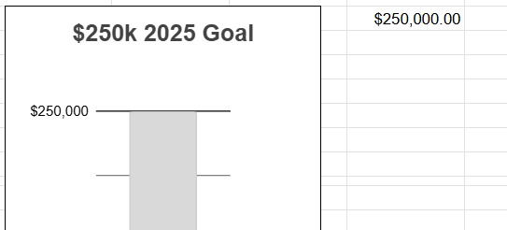
Step 2
Dashboard |  |  | Update your income goal to what is relevant to you, be careful of the cells around the $250,000.00 goal
 |  |  | There are formula there with white font to keep the sheet clean.
 |  |  | After you update your goal, feel free to change the font of the goal to white!

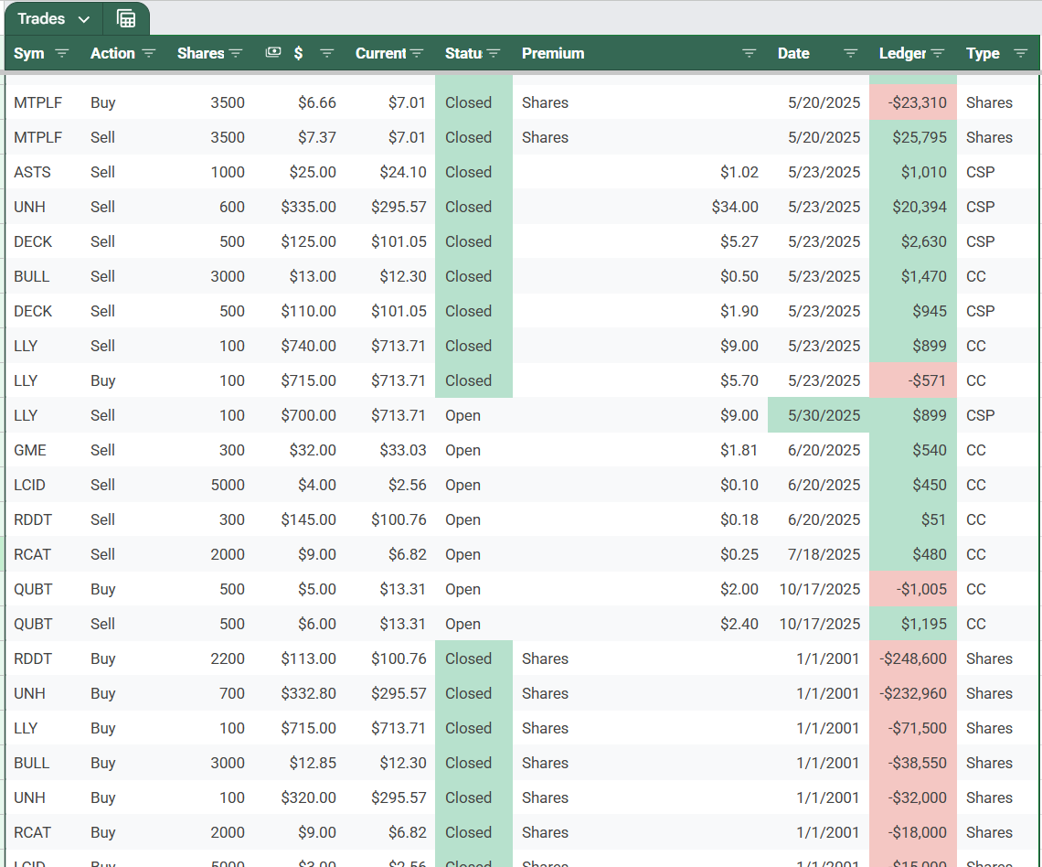
Step 3 |  |  | This sheet is where all the data from the dashboard comes from
Trades |  |  | Every time you make a transaction, you should add a line item here:
 |  |  | For option trades, enter a new line in order by "Date" (expiration date)
 |  |  | Fill out the following
 |  |  |  | Sym | Ticker
 |  |  |  | Action | Buy or sell
 |  |  |  | Shares | Quantity of shares, not the quantity of contracts
 |  |  |  | $ | Strike price
 |  |  |  | Status | Open, Closed, or Pending
 |  |  |  | Premium | price per share (contract value divided by 100)
 |  |  |  | Date | Expiration date of the contract, but change this if you close it before the expiration to the date when closed
 |  |  |  | Type | Shares, CSP, or CC

 |  |  | Move rows to the proper location by date (expiration date) to keep the table clean!

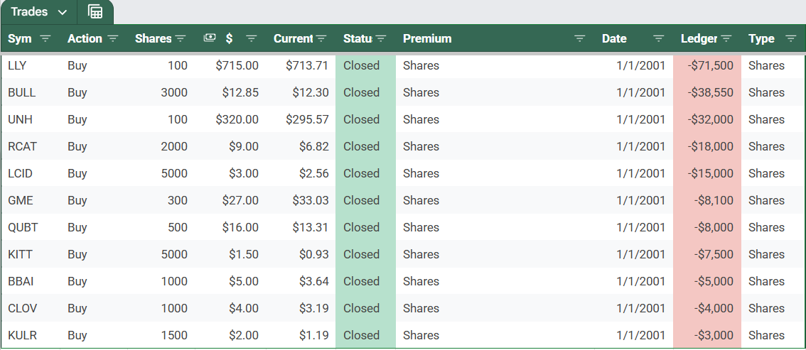
Step 4
Trades |  |  |  |  | Keep your open share positions at the bottom of the list
 |  |  |  |  | This keeps the sheet well organized, try to keep it sorted by position size
 |  |  |  |  | Shares will show as negative when bought, and will be positive when sold, to net out properly

 |  |  |  |  | Make sure the date says "1/1/2001" to be included on the dashboard!!
 |  |  |  |  | Change the date to the date sold for both positions when selling and move it to the approrpriate expiration row above the shares section:

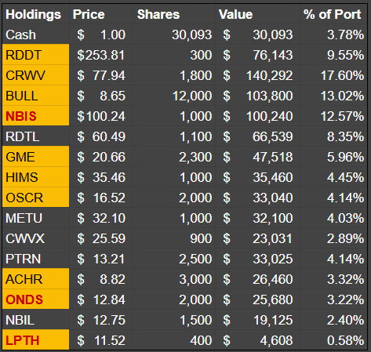
Notes:
 |  | If you have dupliciate positions, you should combine them into 1 line in the trade table
 |  | There is a limit of 15 holdings, the sheet may break after that, as a workaround, just change the date from 1/1/2001 to something else

 |  | Things highlighted in red are either ITM or rolled out with previous rolled positions ITM (e.g. picture below)
 |  | LPTH is ITM, but NBIS & ONDS were rolled out and previous strikes ITM. This also shows how to handle rolling.
